1. Title Page
Basket Analysis

Project Name: Instacart Basket Analysis
Date: August 2024
Analyst Name: Kay Canama

Contents:
Population Flow
Consistency checks
Wrangling steps
Column derivations
Visualizations
Recommendations

Data Citation:
“The Instacart Online Grocery Shopping Dataset 2017”
Accessed from www.instacart.com/datasets/grocery-shopping-2017 via Kaggle on August 2024

2. Population Flow
 | Title page

Population flow

Exclusion flag
Condition: max_order < 5
Obervations to be removed: 1,440,295
Final total count of order_products_all: 30,964,564

Orders_products_combined
Orders_products_merged
Orders_products_all

Total: 32,404,859
Total:
Total: 32,404,859
32,434,489

1.) The grey boxes in the first row of the population flow represent the original data sets as they were when you downloaded them. In the Total fields you need to add the count of the rows when you imported the data set into Jupyter.
2.) The second row of boxes (coloured) represents the data sets after you manipulated them, e.g., removed missing values and duplicates. In the Total fields you need to add the count of the rows after conducting these operations. This offers a visual oveview of how the data flows throughout the data consistency checks.
3.) The third row, where also the arrows are coloured, represents the merges you performed between the datasets. In the Total fields you need to add the count of the rows in the merged datasets, so that you end up with the final dataset (in the red box). Keep in mind the final dataset should be without exclusions (based on the exclusion flag).

3. Consistency checks
 |  |  |  | Title page
Consistency checks

Dataset | Missing values | Missing values treatment | Duplicates
orders | 206209 values missing from "days_since_prior order" | These were left in the dataset as they corresponded to first orders. The missing values make sense as there is no "days_since_prior_order" for a first order.
products | 16 values missing from "Product Name" | Created a new dataframe without missing values called "df_prods_clean" | 5 duplicates were found and removed. Created a new dataframe called "df_prods_clean_no_dups"
orders_products_prior | No missing values | N/A | No Duplicates
customers | No missing values | N/A | No Duplicates

4. Wrangling steps
 |  |  |  | Title page
Wrangling steps

Columns dropped | Columns renamed | Columns' type changed | Comment/Reason
eval set |  |  | irrelevant to data set
 | orders_dow --> orders_day_of_week |  | orders_day_of_week clearer
 | days_since_prior_order --> days_since_last_order' |  | days_since_last_order a little clearer
 |  | Order_id (to string) | does not need to be included in analysis
 |  | User_id (to string) | does not need to be included in analysis
unnamed: 0.1 and unnamed: 0 |  |  | irrelevant to data set
_merge |  |  | only needed this column to view the results of the merge
 | First Name --> first_name |  | keeping consistent with columns in orders data set
 | Surnam --> last_name
 | Gender --> gender
 | STATE--> state
 | Age-->age
 | n_dependants--> number_of_dependants
 | fam_status --> marital status
 |  | User_id (to string) in customers data set | does not need to be included in analysis
first_name, last_name |  |  | Contains PII

5. Column derivations
 |  |  |  | Title page

Column derivations and aggregations

In this tab you should add tables below that the frequences of flags/label variables that you produced after deriving them. NB: don't do this for continuous variables, only for flags.
Dataset | New column | Column/s it was derived from | Conditions
ords | first_order | order_number | If "order number" = 1, then 1; if "order number" > 1, then 0
ords_prods_merge | price_range | prices | def price_label(row):
 |  |  | if row['prices'] <= 5:
 |  |  | return 'Low-range product'
 |  |  | elif (row['prices'] > 5) and (row['prices'] <= 15):
 |  |  | return 'Mid-range product'
 |  |  | elif row['prices'] > 15:
 |  |  | return 'High range'
 |  |  | else: return 'Not enough data'
 | busiest_day | orders_day_of_week | for value in df_ords_prods_merge["orders_day_of_week"]:
 |  |  | if value == 0:
 |  |  | result.append("Busiest day")
 |  |  | elif value == 4:
 |  |  | result.append("Least busy")
 |  |  | else:
 |  |  | result.append("Regularly busy")
 | busiest_days | orders_day_of_week | for value in df_ords_prods_merge["orders_day_of_week"]:
 |  |  | if value == 0 or value == 1:
 |  |  | result_2.append("Busiest days")
 |  |  | elif value == 4 or value == 3:
 |  |  | result_2.append("Slowest days")
 |  |  | else:
 |  |  | result_2.append("Regularly busy")
 | busiest_period_of_day | order_hour_of_day | for value in df_ords_prods_merge["order_hour_of_day"]:
 |  |  | if value in [10, 11, 14, 15, 13, 12, 16, 9]:
 |  |  | result_3.append("Most Orders")
 |  |  | elif value in [23, 6, 0, 1, 5, 2, 4, 3]:
 |  |  | result_3.append("Fewest Orders")
 |  |  | else:
 |  |  | result_3.append("Average Orders")
ords_prods_merge_derived | max_order | order_number | maximum order
 | loyalty_flag | max_order | ['max_order'] > 40, 'loyalty_flag'] = 'Loyal customer'
 |  |  | ['max_order'] <= 40) & ['max_order'] > 10), 'loyalty_flag'] = 'Regular customer'
 |  |  | ['max_order'] <= 10, 'loyalty_flag'] = 'New customer'
 | average_spent | prices | mean of prices spent
 | spending_flag | average_spent | ['average_spent'] < 10, 'spending_flag'] = 'Low spender'
 |  |  | ['average_spent'] >= 10, 'spending_flag'] = 'High spender'
 | median_days_since_last_order | days_since_last_order | median days since last order
 | frequency_flag | median_days_since_last_order | ['median_days_since_last_order'] > 20, 'frequency_flag'] = 'Non-frequent customer'
 |  |  | ['median_days_since_last_order'] <= 20) & ['median_days_since_last_order'] > 10), 'frequency_flag'] = 'Regular customer'
 |  |  | ['median_days_since_last_order'] <= 10, 'frequency_flag'] = 'Frequent customer'
ords_prods_cust_merge | region | state | Northeast = ['Maine', 'New Hampshire', 'Vermont', 'Massachusetts', 'Rhode Island', 'Connecticut', 'New York', 'Pennsylvania', 'New Jersey']
 |  |  | Midwest = ['Wisconsin', 'Michigan', 'Illinois', 'Indiana', 'Ohio', 'North Dakota', 'South Dakota', 'Nebraska', 'Kansas', 'Minnesota', 'Iowa', 'Missouri']
 |  |  | South = ['Delaware', 'Maryland', 'District of Columbia', 'Virginia', 'West Virginia', 'North Carolina', 'South Carolina', 'Georgia', 'Florida', 'Kentucky', 'Tennessee', 'Mississippi', 'Alabama', 'Oklahoma', 'Texas', 'Arkansas', 'Louisiana']
 |  |  | West = ['Idaho', 'Montana', 'Wyoming', 'Nevada', 'Utah', 'Colorado', 'Arizona', 'New Mexico', 'Alaska', 'Washington', 'Oregon', 'California', 'Hawaii']
 |  |  | ['state'].isin(Northeast),'region']= 'Northeast'
 |  |  | ['state'].isin(Midwest),'region']= 'Midwest'
 |  |  | ['state'].isin(South),'region']= 'South'
 |  |  | ['state'].isin(West),'region']= 'West'
 | activity_flag | max_order | ['max_order'] < 5, 'activity_flag'] = 'Low Activity'
 |  |  | ['max_order'] >= 5, 'activity_flag'] = 'High Activity'
 | age_group | age | ['age'] < 40, 'age_group'] = 'Adult'
 |  |  | ['age'] >= 40) & ['age'] <65), 'age_group'] = 'Middle Adult'
 |  |  | ['age'] >= 65, 'age_group'] = 'Senior Adult'
 | income_level | income | ['income'] < 55000, 'income_level'] = 'Low Income'
 |  |  | ['income'] >= 55000) &t['income'] <110000), 'income_level'] = 'Middle Income'
 |  |  | ['income'] >= 110000, 'income_level'] = 'High Income'
 | dependant_flag | number_of_dependants | ['number_of_dependants'] == 0, 'dependant_flag'] = 'No Dependants'
 |  |  | ['number_of_dependants'] > 0, 'dependant_flag'] = 'Has Dependants'

 | department | department | created data dictionary from departments wrangled

price_range_loc
Mid-range product 21865987
Low-range product 10126321
High-range product 412551

busiest_day
Regularly busy 22416875
Busiest day 6204182
Least busy 3783802

busiest_days
Regularly busy 12916111
Busiest days 11864412
Slowest days 7624336

busiest_period_of_day
Most Orders 21118071
Average Orders 9997651
Fewest Orders 1289137

loyalty_flag
Regular customer 15876776
Loyal customer 10284093
New customer 6243990

spending_flag
Low spender 32285150
High spender 119709

frequency_flag
Frequent customer 21559853
Regular customer 7208564
Non-frequent customer 3636437
NaN 5

region
South 10791885
West 8292913
Midwest 7597325
Northeast 5722736

activity_flag
High Activity 30964564
Low Activity 1440295

age_group
Middle Adult 12103910
Adult 10665110
Senior Adult 8195544

income_level
Middle Income 14941716
High Income 11570460
Low Income 4452388

dependant_flag
Has Dependants 23224883
No Dependants 7739681

6. Visualizations
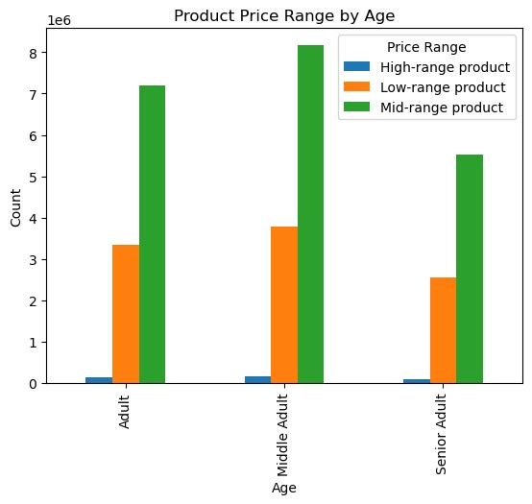
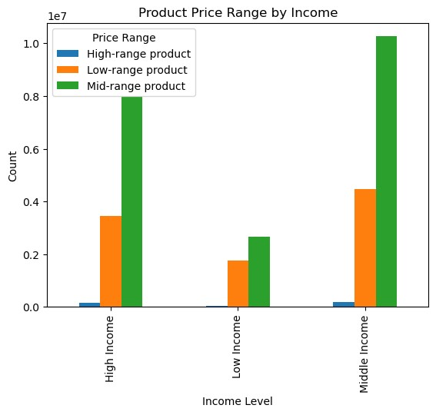
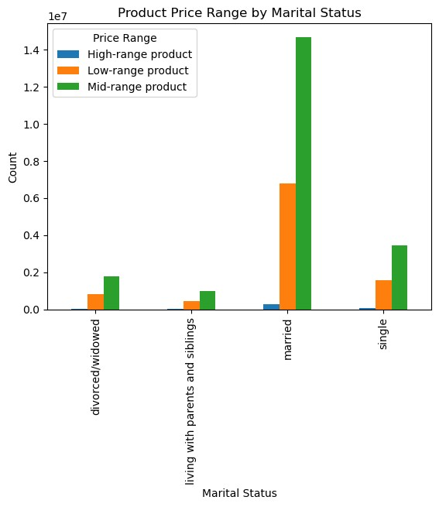
Title page

Visualisations

In this tab you should include all the visualtions from Exercises 4.9 and 4.10, alongside the questions from the project brief that they answer. Include any commentary on the relationship between different variables.

What are the busiest days of the week and hours of the day?
The busiest days of the week are Days 0 and 1, which correspond to Saturday and Sunday. The busiest hours of the day are 9am-4pm. The least busiest days are Days 3 and 4(Tuesday and Wednesday. The least busiest hours are 11pm - 6am.

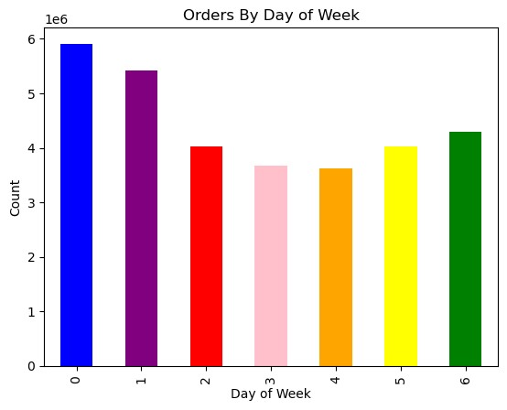
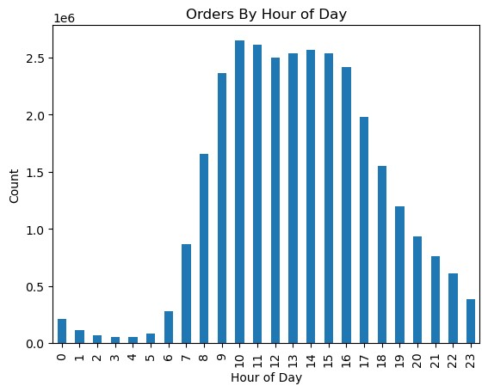

Are there any particular times of the day when people spend the most money?
According to the graph below, people spend the most money between 2am and 5am. The amount of money spent drops considerably after 7 am, reaching its lowest around 9-10am. After this, the amount of money spent increases again.

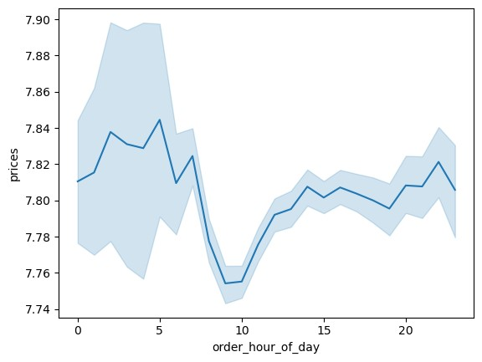
Prices by Hour of the Day

Are there certain types of products that are more popular than others?
The top 5 most popular departments are produce, dairy/eggs, snacks, beverages, and frozen. This appears to be the case regardless of region, age group, income level, or dependant status.

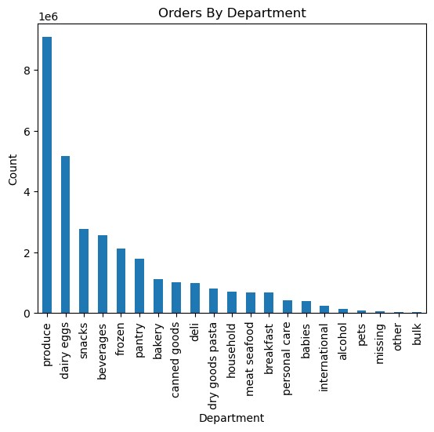
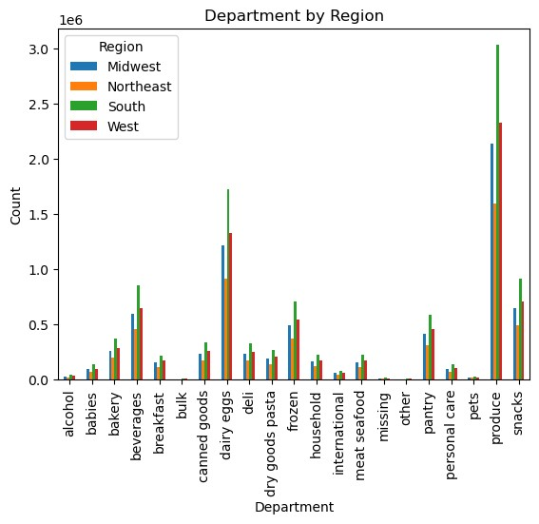

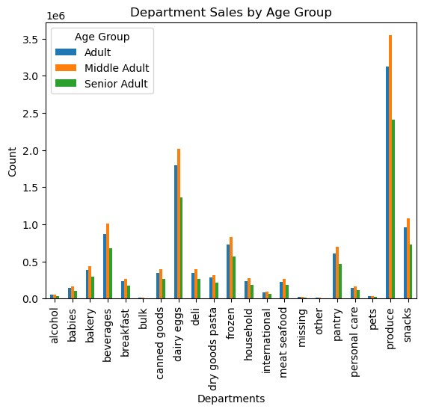
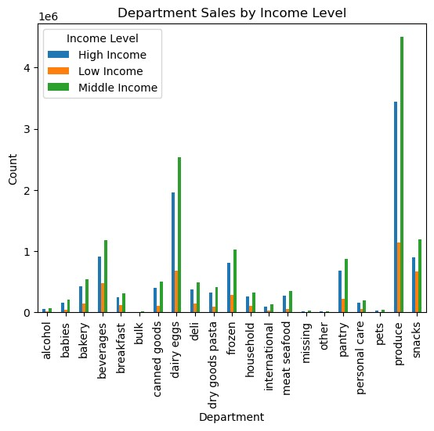

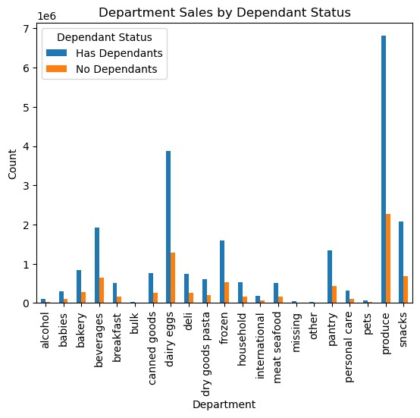

What's the distribution among users in regards to their brand loyalty (i.e., how often do they return to Instacart?)
A little more than half of the customers are considered regular customers. The next largest group is made up of loyal customers, followed by new customers.

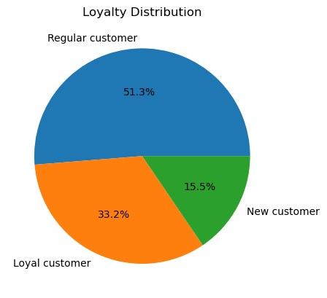

Are there differences in ordering habits based on customer's loyalty status?
Regardless of loyalty status, there are significantly more low spenders than high spenders and most of the products purchased are mid-range products. The busiest day for loyal customers is Sunday while it is Saturday for regular and new customers. In addition, loyal customers order more on Thursday than on Fridays while regular and new customers order more on Fridays than on Thursdays. The busiest/least busiest hours of the day are similar across the loyalty statuses.

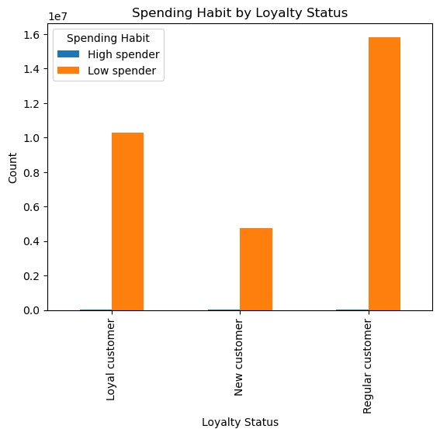
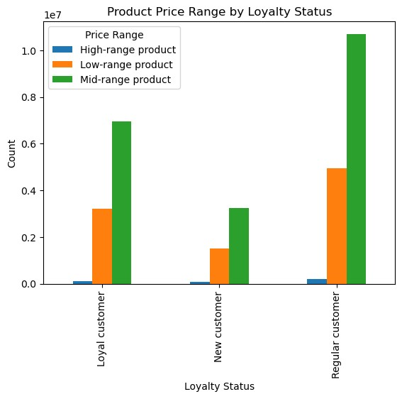

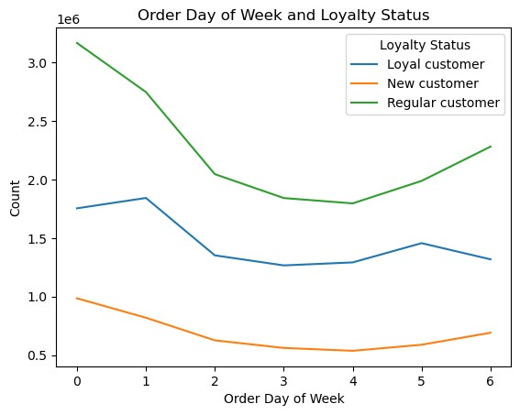
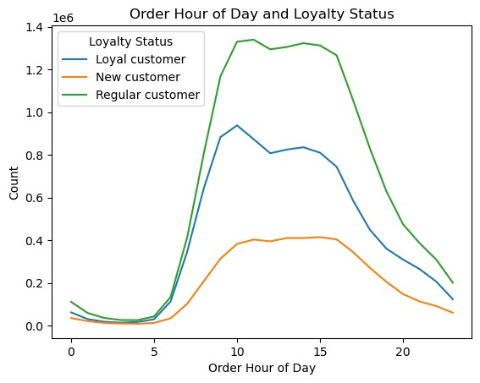

Are there differences in ordering habits based on customer's region?
The South and the West order the most. In each region, there are significantly more low spenders than high spenders, regular customers make up the largest loyalty group, most customers are frequent customers, and the most popular departments are produce, dairy eggs, snacks, beverages, and frozen. In addition, in each region, there are more customers with dependants than without, middle adults make up the largest age group, and middle income adults make up the largest income group.

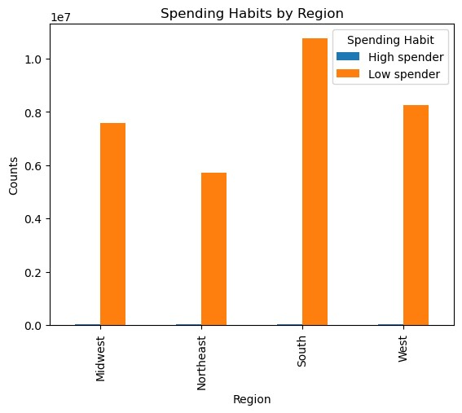
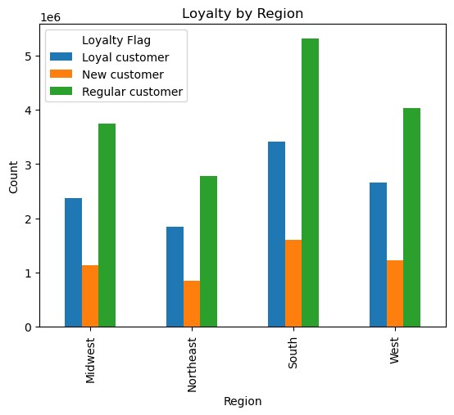

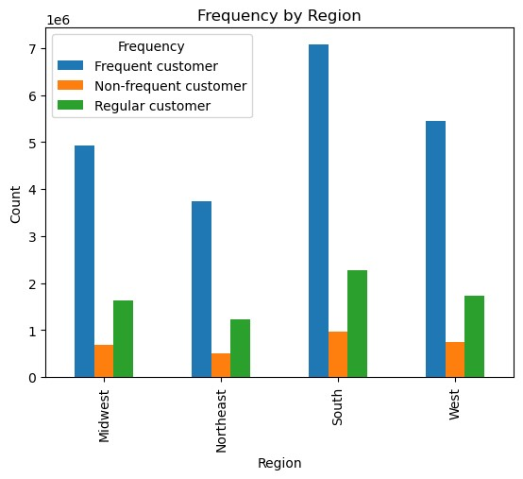

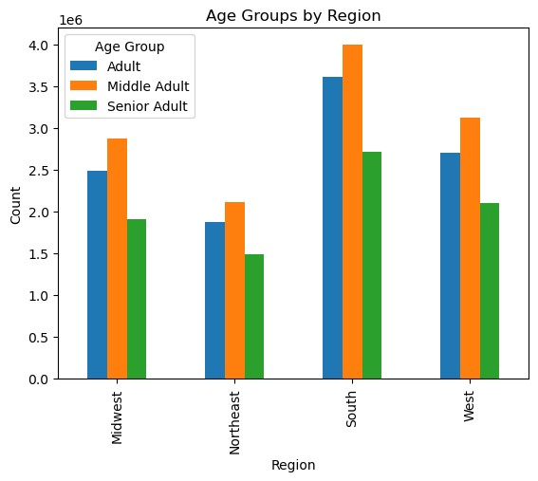
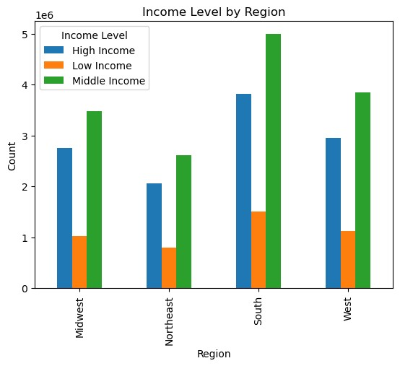

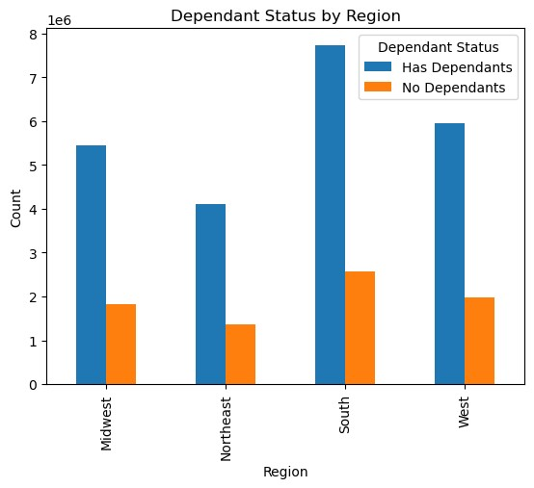

Is there a connection between age and family status in terms of ordering habits?
Married, middle-aged adults with dependants order the most frequently. They are also the most loyal.

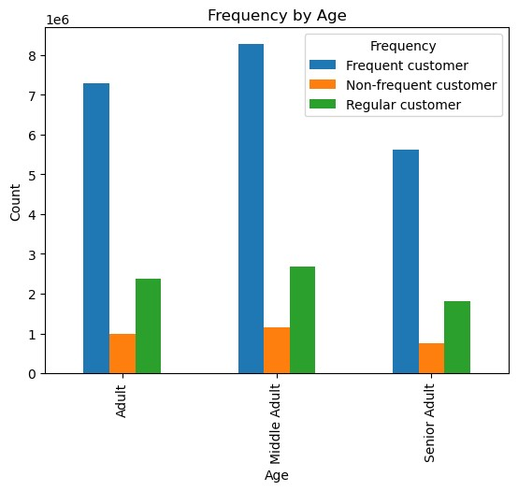
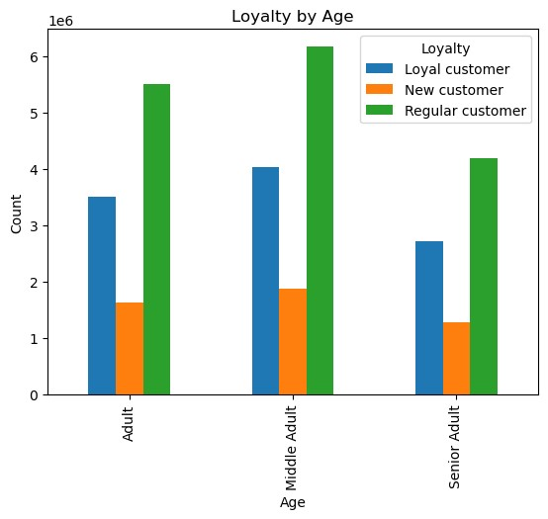

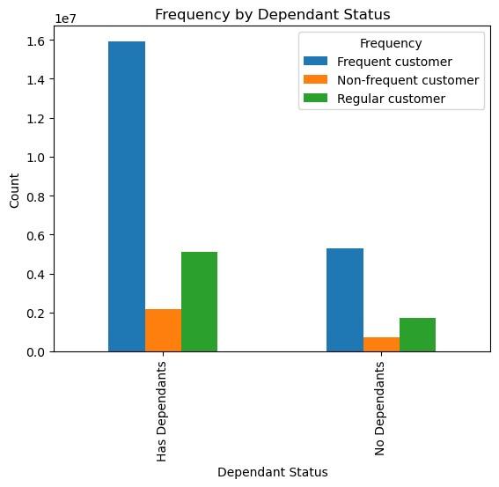
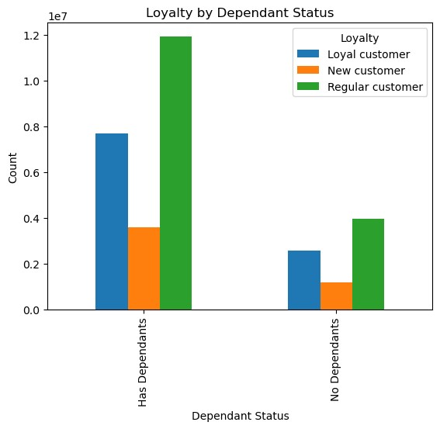

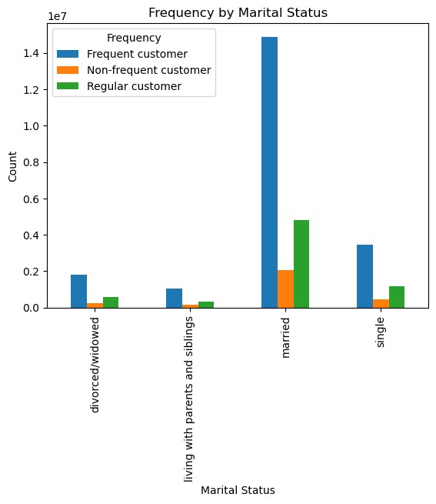
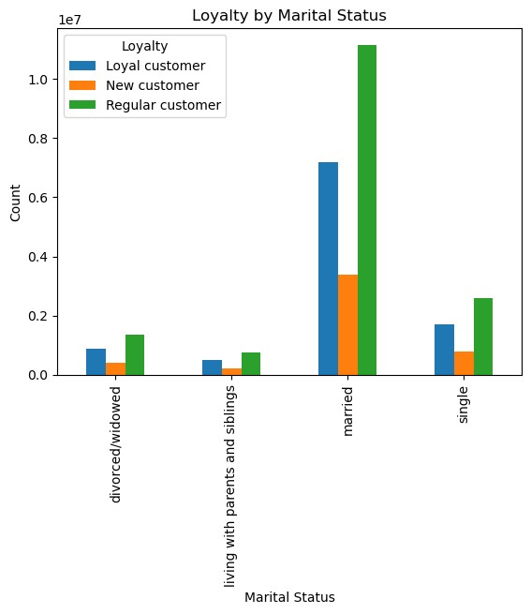

What different classifications does the demographic information suggest?
The demographic information suggests that the majority of Instacart customers are married, middle-aged, middle income adults who have dependants.

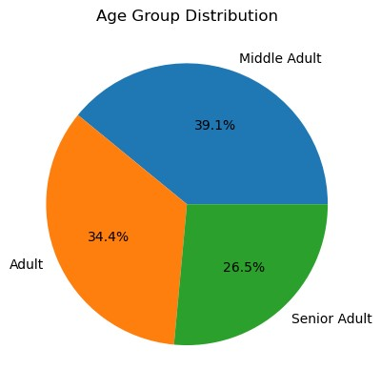
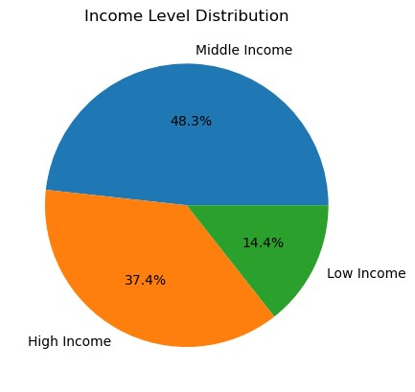
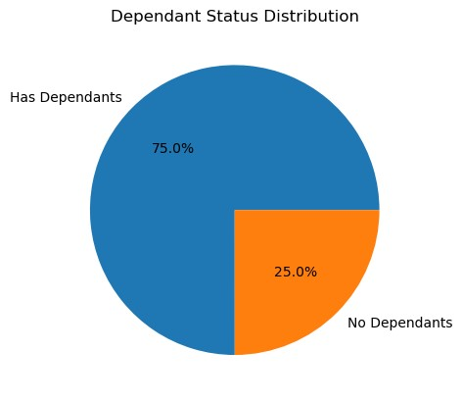

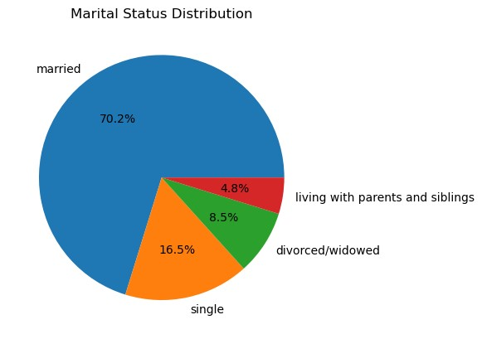

What differences can you find in ordering habits of different customer profiles? Consider the price of orders, the frequency of orders, the products customers are ordering, and anything else you can think of.
Mid-range products are the most purchased products regardles of age, income, loyalty or marital status. High-range products are the least purchased. Of the income groups, high-range products are almost only purchased by middle-income and high-income customers, with middle-income customers buying slightly more high-range products. With regards to marital status, high-range products are almost only purchased by married customers.

7. Recommendations
 |  | Title page

Recommendations

In this tab you should include any recommendations you would made to Instcart in terms of their marketing strategy based on the questions posed in the brief. Every key question has been covered in the Tasks of the Exercises - here you need to add an item - a visualisation or table/crosstable that is showing the answer in the data, acompanied by a comment from you. Please, list the questions below and add the answer underneath.

Question | Answer
What are the busiest days of the week and hours of the day? | The busiest days of the week are Saturday and Sunday and the busiest hours of the day are 9am-4pm. It would benefit instacart to place ads on Tuesdays and Wednesdays as these are the least busiest days and from 11pm-7am as these are the least busiest hours.
Are there are particular times of the day when people spend the most money? | According to the graph "Prices by Hour of the Day" people spend the most money between 2-5am. At first, this seemed strange but a quick google search confirmed that late night shopping is a growing phenomenon. While customers don't really purchase high-range products, I would recommend that if Instacart should choose to advertise their high-range products, they should do so during this time frame because it is when people are most likely to spend more money.
Are there certain types of products that are more popular than others? | The most popular products are produce, dairy/eggs, snacks, beverages, and frozen. Instacart should focus most of its advertising efforts on these products.
What’s the distribution among users in regards to their brand loyalty? | Most users belong to the "regular customer" loyalty group. This group accounts for 51.3% of Instacart users. The next largest group is the "loyal customer" group, which accounts for 33.2% of Instacart users. Instacart should tailor their advertising to regular customers and offer incentives to become loyal customers.
Are there differences in ordering habits based on a customer’s loyalty status? | There is not much difference in ordering habits based on loyalty status. The only difference I found was that the busiest days for loyal customers was on Sunday as opposed to Saturday. Thus, if Instacart wanted to reach loyal customers in particular, it should place ads on Sundays.
Are there differences in ordering habits based on a customer’s region? | There is not much difference in ordering habits based on region either. The only difference between the regions is in the number of customers, with the South being the region with the most customers. Because of this, Instacart should spend a large portion of their marketing efforts on the South.
Is there a connection between age and family status in terms of ordering habits? | The majority of frequent and loyal customers are married, middle aged adults with dependants. Instacart should target their advertising towards this demographic.
What different classifications does the demographic information suggest? | It suggests that the majority of Instacart customers are married, middle-aged, middle income adults who have dependants. Thus marketing campaigns should be designed with them in mind.
What differences can you find in ordering habits of different customer profiles? | All of the customer profiles mainly purchased mid-range and low-range products so Instacart should not spend too much effort on advertising for high-range products. If they choose to do so, they should tailor their efforts towards middle to high income married customers.
Other Recommmendations | Instacart should offer subscription options for items ordered repeatedly. As the majority of customers are married with dependants, this would help ease some of the burden of grocery shopping and ensure continued use of Instacart services.
 | To increase the number of low income customers, Instacart should opt to accept foodstamps.

